Sheet1
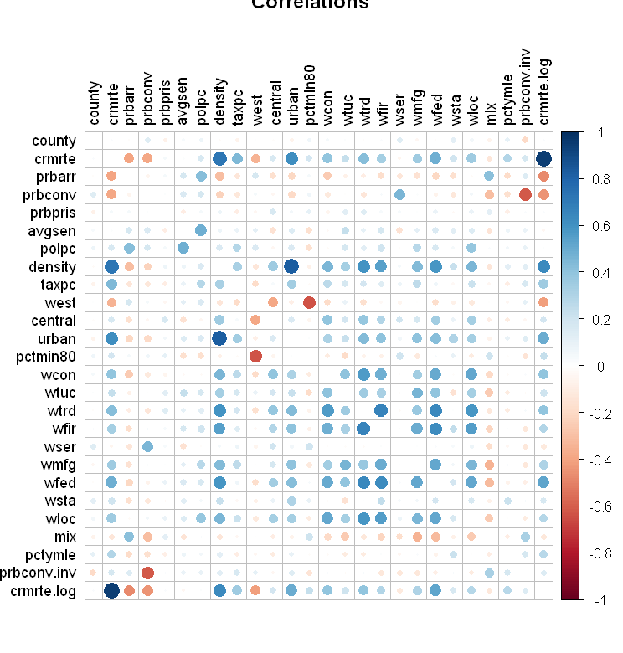
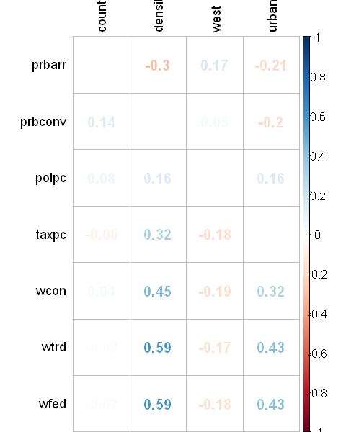
 | Variable | Label | Predicted | Correlated with crime (EDA) | Relevant for public policy | Confounding variable | Included in the regression
1 | county | county identifier |  | X
2 | year | 1987
3 | crmrte | crimes committed per person | X |  |  |  | X
4 | prbarr | 'probability' of arrest |  | X | X |  | X
5 | prbconv | 'probability' of conviction |  | X | X |  | X
6 | prbpris | 'probability' of prison sentence |  |  | X
7 | avgsen | avg. sentence, days |  |  | X
8 | polpc | police per capita |  | X | X |  | X
9 | density | people per sq. mile |  | X |  | X | X
10 | taxpc | tax revenue per capita |  | X | X |  | X
11 | west | =1 if in western N.C. |  | X
12 | central | =1 if in central N.C.
13 | urban | =1 if in SMSA |  | X |  | X | X
14 | pctmin80 | perc. minority, 1980
15 | wcon | weekly wage, construction |  | X | X |  | X
16 | wtuc | wkly wge, trns, util, commun |  |  | X
17 | wtrd | wkly wge, whlesle, retail trade |  | X | X |  | X
18 | wfir | wkly wge, fin, ins, real est |  |  | X
19 | wser | wkly wge, service industry |  |  | X
20 | wmfg | wkly wge, manufacturing |  |  | X
21 | wfed | wkly wge, fed employees |  | X | X |  | X
22 | wsta | wkly wge, state employees |  |  | X
23 | wloc | wkly wge, local gov emps |  |  | X
24 | mix | offense mix: face-to-face/other
 | pctymle | percent young male

